Sheet1
 |  | Document No. | Issue No. | Issue Date |  | Review and Replace Date |  | Authorised By
 |  | GFF231MC | 3 | 27.10.2020 |  | 13.07.2023 |  | Magda Shah
 |  | Document Title | CRISPY BATTERED CHICKEN WITH SWEET & SOUR SAUCE 320G
Document amendments reason for change |  | Tray and Chicken change |  |  | Page 1 of 1 | Previous Issue Date | 23.12.2021 | Uncontrolled copy unless signed original

CCHKSS-1R4TEB | BOOTHS AYR |  | CRISPY BATTERED CHICKEN WITH SWEET & SOUR SAUCE 320G
STEP 1 |  |  |  |  | STEP 2
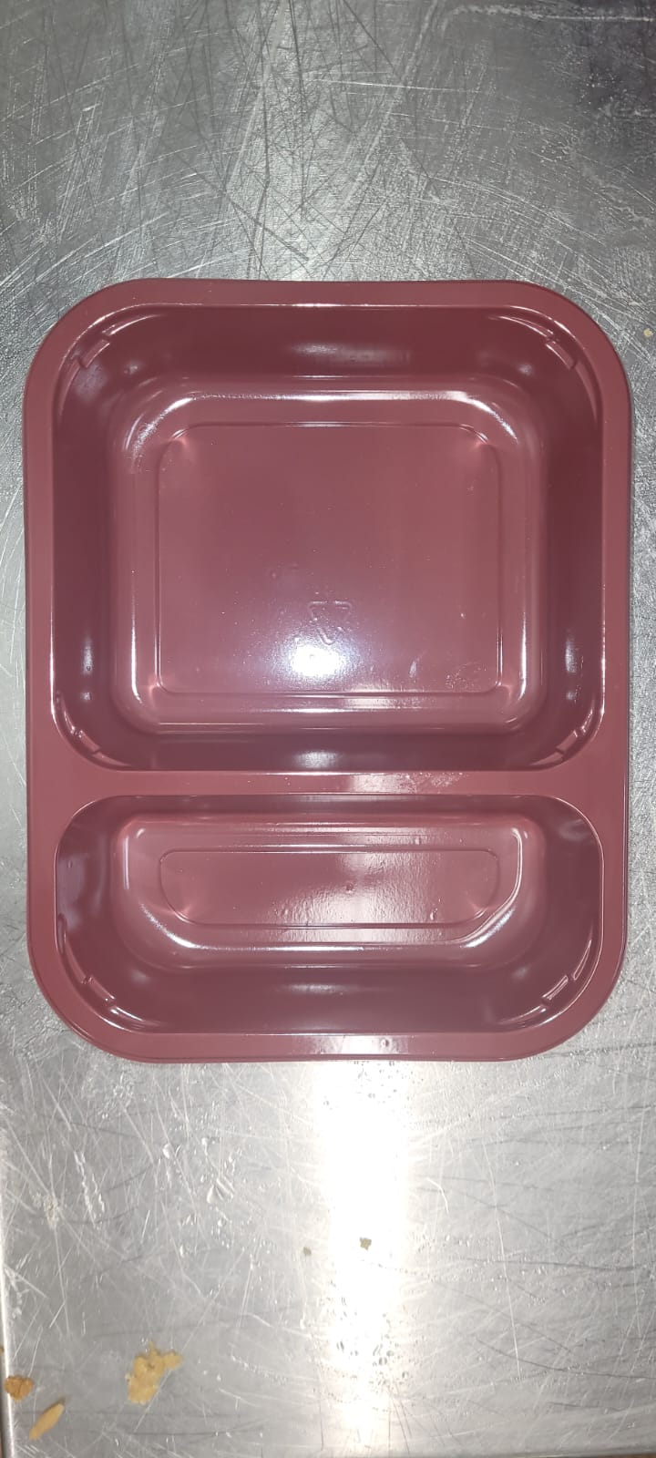 |  |  |  |  | 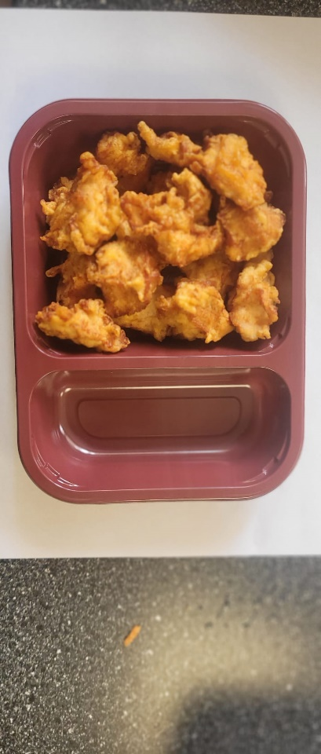

Tray: EVOLVE CPET 2200-2C RED - (PKRHP001-16) |  |  |  |  | Batter Chicken Bites (GFF152R): 170g

Film: K peel 7G+25A/f- 275mm (275 mmX1000)(PKKMP001-03)

STEP 3 |  |  |  |  | STEP 4
 |  |  |  |  | 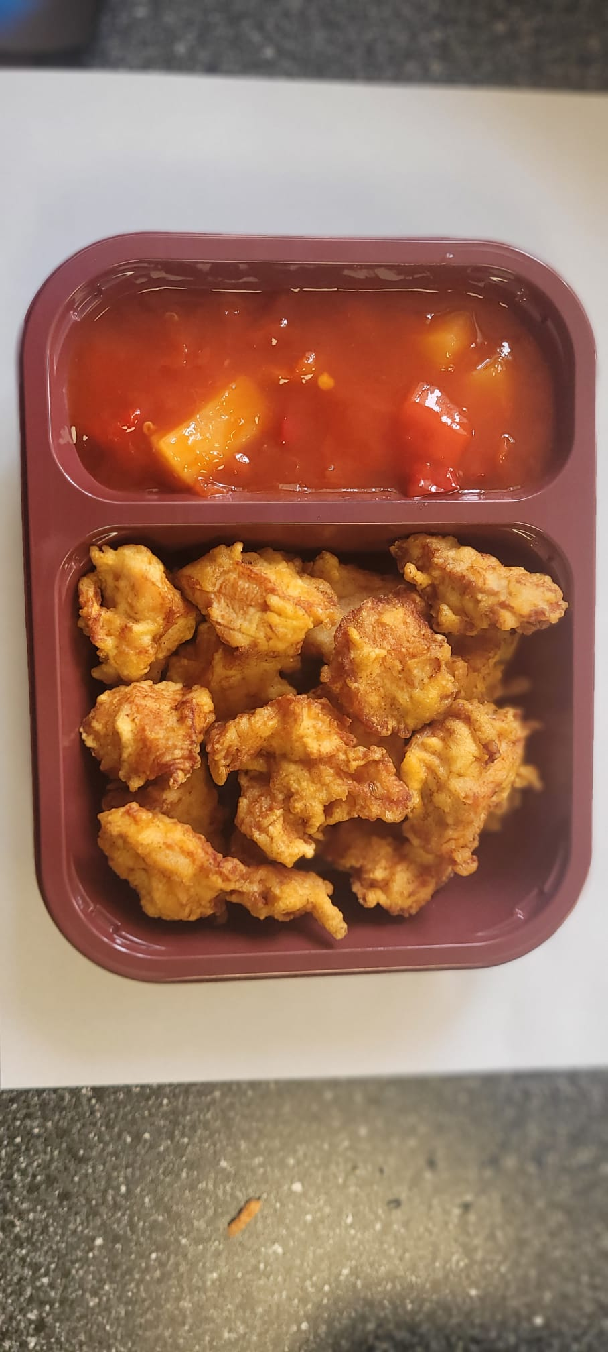

Sweet & Sour Sauce (GFF146R): 150g |  |  |  |  | TOTAL WEIGHT: 320g

ALLERGY ALERT: Soya, Wheat

